z-test
z-statistic for population mean (μ)
One Sample (n >= 30), Population variance (σ) is known

Input
Hypothesized μ | 80000 | H0 | <= | 80000
Sample Mean x̄ | 79200
Std Dev (σ or s) | 8000
Sample Size n | 48
Significance Level (α) | 0.05

Results |  | Formulas
Test Statistic z stat | -0.693 | (x̄ - μ) / (σ / SQRT(n))

Critical z left-tail | -1.645 | NORM.INV(α, 0, 1)
Critical z right-tail | 1.645 | NORM.INV((1 - α), 0, 1)
p-value left-tail | 0.0500 | NORM.DIST(zLeft, 0, 1, True)
p-value right-tail | 0.9500 | NORM.DIST(zRight, 0, 1, True)

Critical z two-tails | 1.960 | ABS(NORM.INV(α/2, 0, 1))
p-value two-tails | 0.4884 | 2 * (1 - NORM.DIST(ABS(z), 0, 1, True))

Conclusion
fail to reject H0 at α = 0.05 | Critical value | Left Tailed
fail to reject H0 at α = 0.05 | P Value

 |  | Logs
 |  | Approaches | Selected Value | Results | Explain notes
 |  | Critical Value | 1.644853627 | fail to reject H0 at α = 0.05 | If abs zstat > critical z tail, reject, else no reject
 |  | P-Value | 0.95 | fail to reject H0 at α = 0.05 | If significant level > pvalue , reject else no reject

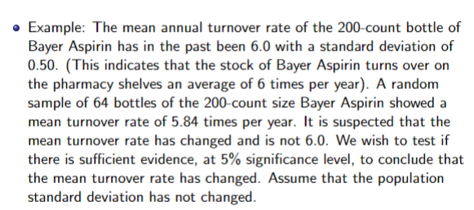

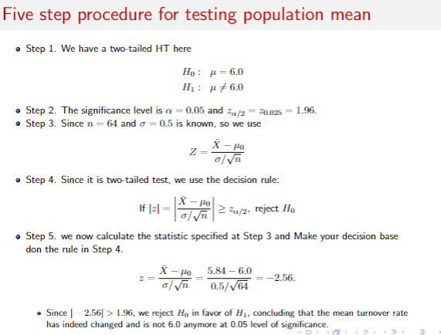
 |  |  | Input | Value
 |  |  | μ | 6
 |  |  | x̄ | 5.84
 |  |  | (σ or s) | 0.5
 |  |  | n | 64
 |  |  | α | 0.05

 |  |  | 2T

 |  |  | Input | Value
 |  |  | μ | 80000
 |  |  | x̄ | 79200
 |  |  | (σ or s) | 8000
 |  |  | n | 48
 |  |  | α | 0.05
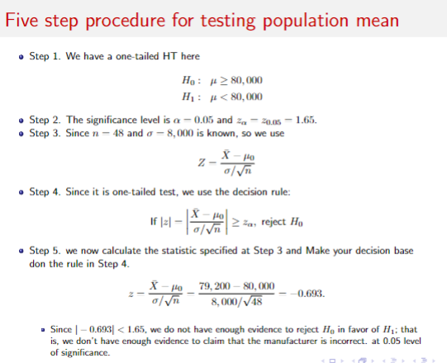
 |  |  | LT

